Risk
Description
Please use the below risk matrix to complete the risk table provided. We have provided some potential risks to consider, but this list may not be exhaustive, depending on your project.
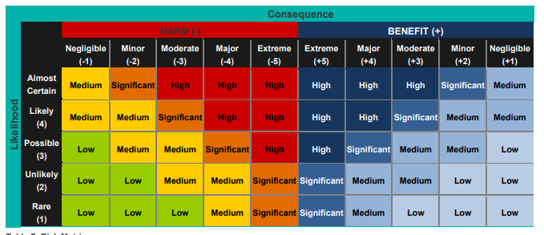

Risk (please describe) | Consequence | Likelihood | Rating (using above table) | Mitigation measure (please describe) | Revised consequence | Revised likelihood | Revised rating (using above table) | Potential risks to consider (these are broad risks and will need to be adapted to your specific project)
 |  |  |  |  |  |  |  | Availability of seed
 |  |  |  |  |  |  |  | Compliance with relevant Acts and regulations
 |  |  |  |  |  |  |  | Damage to cultural heritage
 |  |  |  |  |  |  |  | Financial risks - undperspend or overspend
 |  |  |  |  |  |  |  | Fire, flood, storm
 |  |  |  |  |  |  |  | Insurance
 |  |  |  |  |  |  |  | Legacy of project post funding
 |  |  |  |  |  |  |  | Mortality of seedlings
 |  |  |  |  |  |  |  | Off target/accidental removal of native vegetation
 |  |  |  |  |  |  |  | OHS and maunal handling when using equipment
 |  |  |  |  |  |  |  | Permits and approvals
 |  |  |  |  |  |  |  | Presence of Cultural Heritage
 |  |  |  |  |  |  |  | Project delays due to e.g. staff resourcing, contractor, environmental, weather
 |  |  |  |  |  |  |  | Securing financial contribution from organisation or partners
 |  |  |  |  |  |  |  | Site safety and environmental hazards
 |  |  |  |  |  |  |  | Sourcing water
 |  |  |  |  |  |  |  | Staff diverted during emergency response and recovery
 |  |  |  |  |  |  |  | Staff to manage and deliver project
 |  |  |  |  |  |  |  | Support from Traditional Owners
 |  |  |  |  |  |  |  | Unable to obtain land manager consent
 |  |  |  |  |  |  |  | Unfavourable growing conditions
 |  |  |  |  |  |  |  | Volunteer safety

